Volume
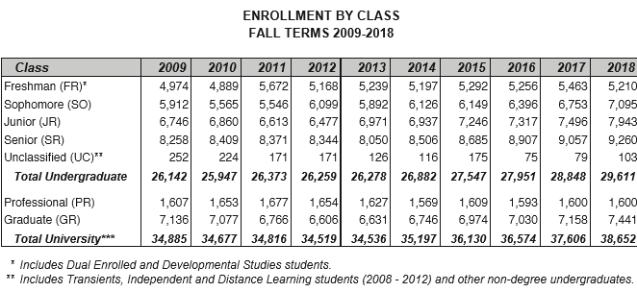
UNIVERSITY OF GEORGIA
Financial Aid Awarded to Students: Five-Year Comparison
(for Academic Years 2014-15 through 2018-19)

 |  | 2014-15 | 2015-16 | 2016-17 | 2017-18 | 2018-19
Undergraduates:
 | Enrolled | 26,882 | 27,547 | 27,952 | 28,848 | 29,611
 | Recipients | 26,349 | 26,857 | 27,553 | 28,559 | 29,276
 | Total Aid Undergraduates | $313,528,990 | $338,037,770 | $352,728,679 | $378,801,172 | $391,735,413
Graduate/Professional (includes Doctor of Veterinary Medicine; Pharm D.; and Law students):
 | Enrolled | 8,315 | 8,583 | 8,623 | 8,758 | 9,041
 | Recipients | 8,420 | 7,794 | 8,107 | 8,350 | 8,192
 | Total Aid Graduate/Professional** | $182,926,198 | $192,381,760 | $193,839,746 | $199,155,892 | $199,742,687
All Students:
 | Enrolled | 35,197 | 36,130 | 36,575 | 37,606 | 38,652
 | Recipients | 34,769 | 34,651 | 35,660 | 36,909 | 37,468
 | Total Aid All Students | $496,455,188 | $530,419,530 | $546,568,425 | $577,957,064 | $591,478,100
Average Award Per Recipient: Undergraduate Student
2014-15 | $11,899
2015-16 | $12,587
2016-17 | $12,802
2017-18 | $13,264
2018-19 | $13,381
Average Award Per Recipient: Graduate/Professional Student
2014-15 | $21,725
2015-16 | $24,683
2016-17 | $23,910
2017-18 | $23,851
2018-19 | $24,383

Source: Office of Student Financial Aid. Financial aid data sourced from UGA Factbook OSFA reported information. Enrollment data reflect total student enrollment as reported in UGA Factbook.
* Enrollment count reflects fall semester enrollment, but aid recipient counts reflect aid recipients regardless of semester of enrollment.
** Beginning 2014-15, Graduate/Professional aid includes all tuition waivers accompanying graduate assistantships.

 | start | 2019-10-17
 | done | 2019-10-17

source data
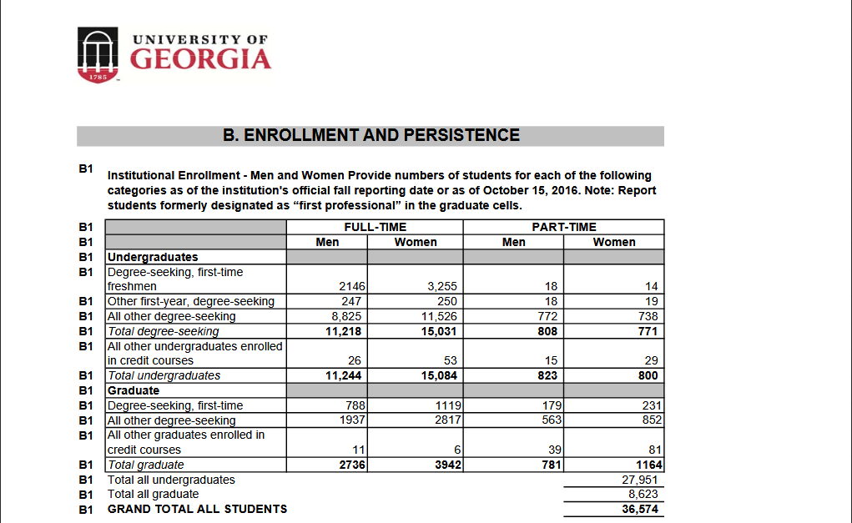
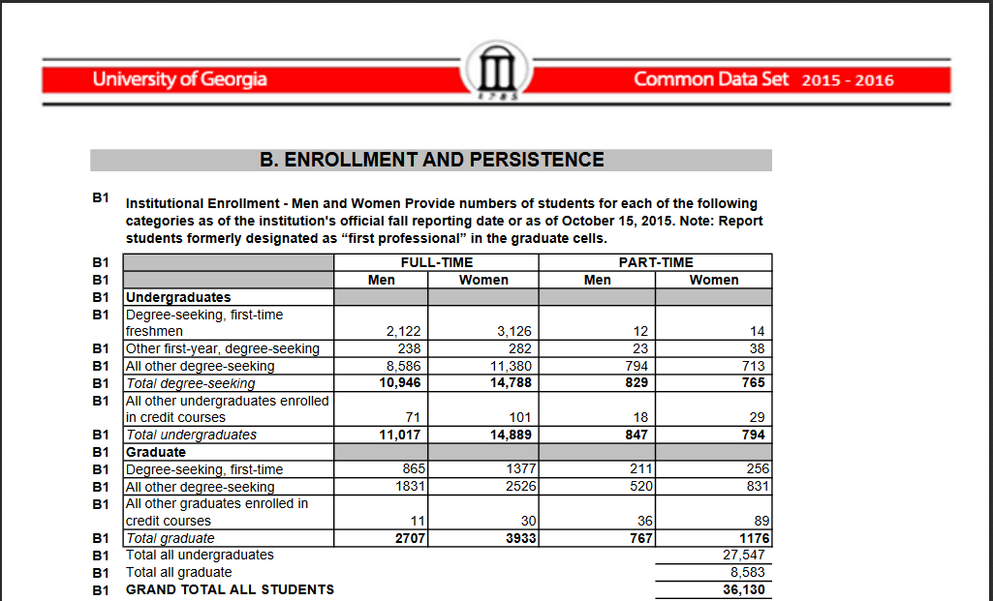
 | 2010-11 | 2011-12 | 2012-13 | 2013-14 | 2014-15 | 2015-16 | 2016-17 | 2017-18 | 2018-19 |  | OIR Common Data Set 2018-2019
Average Award Per Student Undergraduate | $11,104 | $10,672 | $10,997 | $11,342 | $11,899 | $12,587 | $12,802 | $13,264 | $13,381

 | 2010-11 | 2011-12 | 2012-13 | 2013-14 | 2014-15 | 2015-16 | 2016-17 | 2017-18 | 2018-19
Average Award Per Student Graduate/Professional | $21,498 | $23,933 | $24,781 | $24,693 | $21,725 | $24,683 | $23,910 | $23,851 | $24,383

 | 2010-11 | 2011-12 | 2012-13 | 2013-14 | 2014-15 | 2015-16 | 2016-17 | 2017-18 | 2018-19
Undergraduates:
Enrolled | 25,947 | 26,373 | 26,259 | 26,278 | 26,882 | 27,547 | 27,952 | 28,848 | 29,611 | OIR
Recipients | 24,238 | 24,705 | 24,801 | 24,991 | 26,349 | 26,857 | 27,553 | 28,559 | 29,276 | OSFA
Total Aid Undergrads | $269,136,625 | $263,640,603 | $272,738,691 | $283,437,153 | $313,528,990 | $338,037,770 | $352,728,679 | $378,801,172 | $391,735,413 | OSFA
Graduate/Professional:
Enrolled | 8,730 | 8,443 | 8,260 | 8,258 | 8,315 | 8,583 | 8,623 | 8,758 | 9,041 | OIR
Recipients | 5,406 | 5,404 | 5,153 | 5,091 | 8,420 | 7,794 | 8,107 | 8,350 | 8,192 | OSFA
Total Aid Graduate/Professional | $116,216,130 | $129,333,967 | $127,697,792 | $125,714,130 | $182,926,198 | $192,381,760 | $193,839,746 | $199,155,892 | $199,742,687 | OSFA
All Students:
Enrolled | 34,677 | 34,816 | 34,519 | 34,536 | 35,197 | 36,130 | 36,575 | 37,606 | 38,652
Recipients | 29,644 | 30,109 | 29,954 | 30,082 | 34,769 | 34,651 | 35,660 | 36,909 | 37,468
Total Aid All Students | $385,352,755 | $392,974,570 | $400,436,483 | $409,151,283 | $496,455,188 | $530,419,530 | $546,568,425 | $577,957,064 | $591,478,100 | OSFA

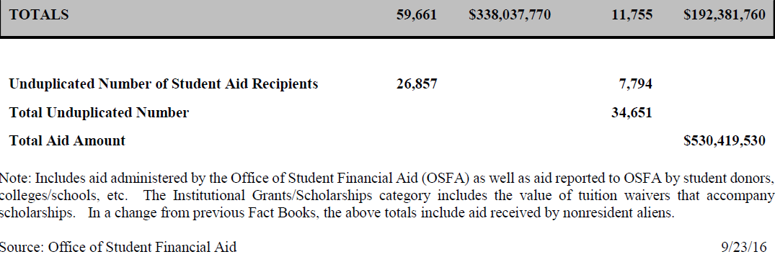
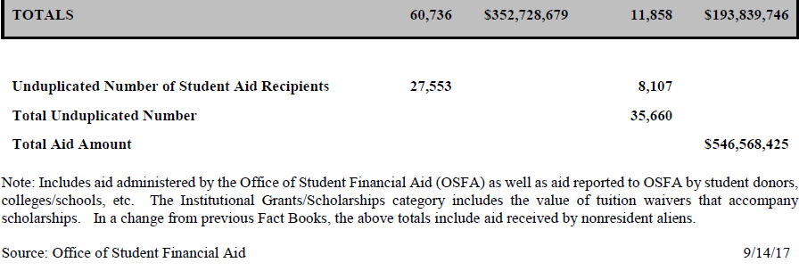
 |  |  |  |  |  |  |  |  |  | OSFA Factbook 2018-2019

